Instructions
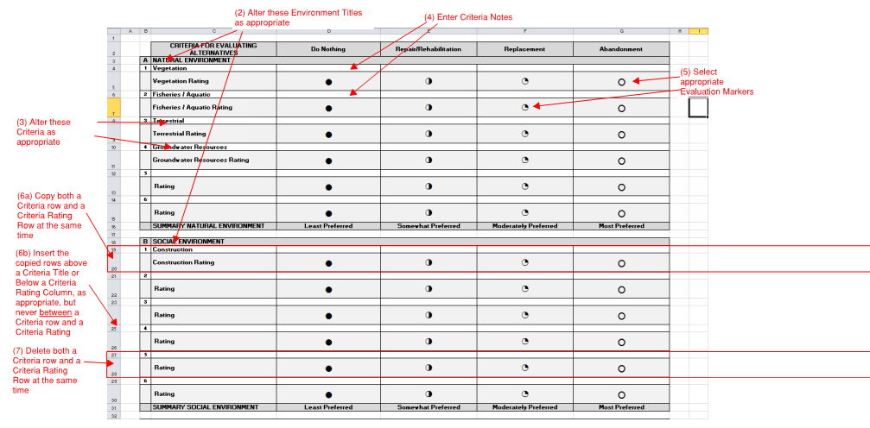
 | How to use this WorkBook
1 | Select the appropriate tab for your project. For example, if the project has five environmental categories, and 4 alternatives, select 5 Env, 4 Alt. If your project does not match one of the tabs, contact Stephen Gendron for a custom Spreadsheet.
2 | Enter the Environment names that you would like to use.
3 | Enter Criteria Titles as appropriate
4 | Enter evaluation notes for each criteria
5 | Select Evaluation Value from the drop down list in the Rating rows.
6 | If you need more criteria, please copy and insert both of the Criteria row and the Rating row at the same time.
7 | Delete Criteria by deleting both the Criteria Title row and the Criteria Rating row at the same time.
8 | To change Marker symbols or Summary text, go to the Reference tab and make changes as appropriate

